Magnitude comparison instr
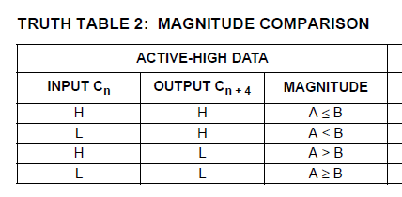

 |  |  | INSTR | OUTPUT Cn + 4 | MAG
 |  |  | SUBM | H | R1 <= R2
 |  |  | SUB | H | R1 < R2
 |  |  | SUBM | L | R1 > R2
 |  |  | SUB | L | R1 >= R2

 | SUB R1, R2
 | JP C, [carry]
no_carry: |  | // R1 >= R2

carry: |  | // R1 < R2

 | SUBM R1, R2
 | JP C, [carry]
no_carry: |  | // R1 > R2

carry: |  | // R1 <= R2

